Sheet1
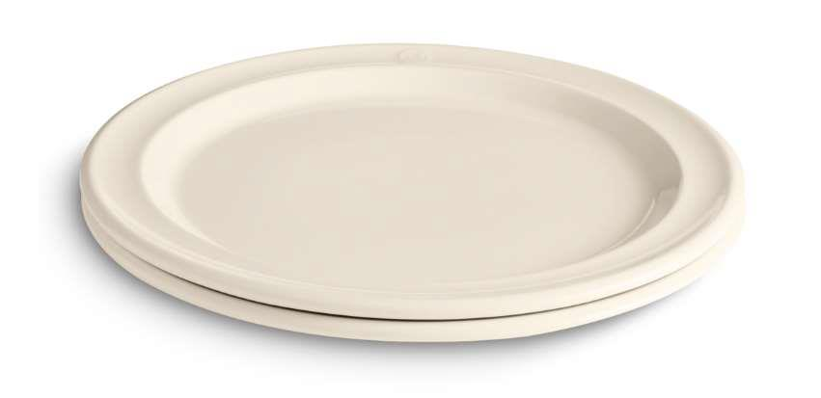
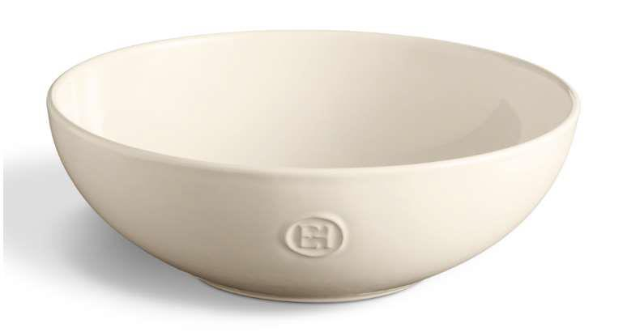
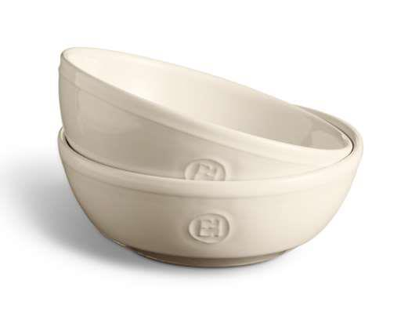
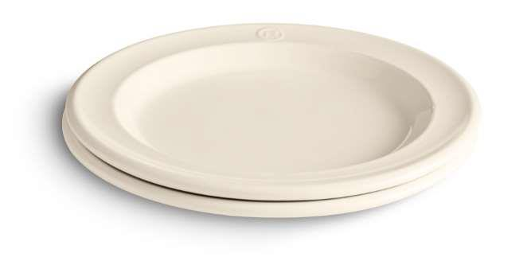
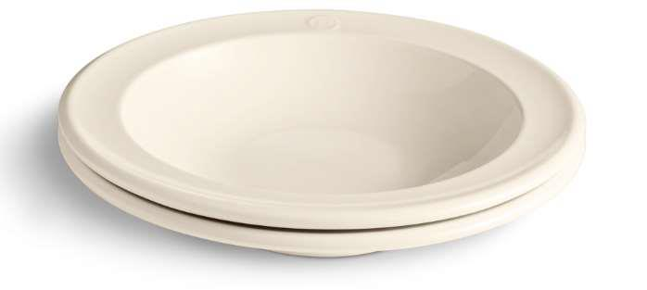
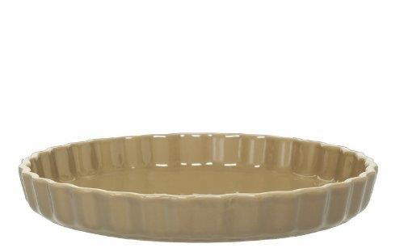
Picture | Item code | Description | Extra information | Restriction | Stock | Sales price EXW | Retail price | Barcode | Quantity PU | Quantity pallet | Pallet | Origin | Customs code | Item weight | Languages on package | Group
 | 21896 | Emile Henry, Set of 2 Porcelain Dinner Plates 27cm | DW0647 | Only Sales In DK, ES, PT, EE, GR, HU, BA, ME, AL, MK, BG, AM, IQ, SY, UZ, KG, TM, AF, PK, MN, NP, BT, BD, MM, LA, TH, VN, KH, MY, SG, TW, PH, ID, MX, GT, NI, CR, PA, CO, VE, GY, SR, EC, PE, BO and Africa | 191238 | 1.79 | 32.9 |  | 6 | 390 |  |  | 6911100090 | 0 |  | Emile Henry
 | 21900 | Emile Henry, Porcelain Salad Bowl 26cm | DW0651 | Only Sales In DK, ES, PT, EE, GR, HU, BA, ME, AL, MK, BG, AM, IQ, SY, UZ, KG, TM, AF, PK, MN, NP, BT, BD, MM, LA, TH, VN, KH, MY, SG, TW, PH, ID, MX, GT, NI, CR, PA, CO, VE, GY, SR, EC, PE, BO and Africa | 163592 | 1.89 | 28.9 |  | 4 | 112 |  |  | 6911100090 | 0 |  | Emile Henry
 | 21899 | Emile Henry, Set of 2 Porcelain Bowls 15cm | DW0650 | Only Sales In DK, ES, PT, EE, GR, HU, BA, ME, AL, MK, BG, AM, IQ, SY, UZ, KG, TM, AF, PK, MN, NP, BT, BD, MM, LA, TH, VN, KH, MY, SG, TW, PH, ID, MX, GT, NI, CR, PA, CO, VE, GY, SR, EC, PE, BO and Africa | 129424 | 1.29 | 24.9 |  | 6 | 420 |  |  | 6911100090 | 0 |  | Emile Henry
 | 21897 | Emile Henry, Set of 2 Porcelain Breakfast / Dessert Plates 21cm | DW0648 | Only Sales In DK, ES, PT, EE, GR, HU, BA, ME, AL, MK, BG, AM, IQ, SY, UZ, KG, TM, AF, PK, MN, NP, BT, BD, MM, LA, TH, VN, KH, MY, SG, TW, PH, ID, MX, GT, NI, CR, PA, CO, VE, GY, SR, EC, PE, BO and Africa | 94388 | 1.59 | 22.9 |  | 6 | 540 |  |  | 6911100090 | 0 |  | Emile Henry
 | 21898 | Emile Henry, Set of 2 Porcelain Soup Plates 22cm | DW0649 | Only Sales In DK, ES, PT, EE, GR, HU, BA, ME, AL, MK, BG, AM, IQ, SY, UZ, KG, TM, AF, PK, MN, NP, BT, BD, MM, LA, TH, VN, KH, MY, SG, TW, PH, ID, MX, GT, NI, CR, PA, CO, VE, GY, SR, EC, PE, BO and Africa | 76364 | 1.69 | 29.9 |  | 6 | 324 |  |  | 6911100090 | 0 |  | Emile Henry
 | S-10199 | Emile Henry, Ceramic Pie Dish, Light Brown Diiameter 30 cm |  |  | 144 | 2.8 |  | 3289319660007 | 8 | 192 |  | F | 7013100000 | 1600 | fr | Emile Henry

